1. Title Page
Grocery Basket Analysis

Project Name: Project Brief: Instacart Grocery Basket Analysis
Date: 10/16/2023
Analyst Name: Ideal Kuci

Contents:
Population Flow
Consistency checks
Wrangling steps
Column derivations
Visualizations
Conclusions and Recommendations

Citation:
“The Instacart Online Grocery Shopping Dataset 2017”, Accessed from www.instacart.com/datasets/grocery-shopping-2017 via Kaggle on .

2. Population Flow
Population flow

Orders_products_combined
Orders_products_merged
Orders_products_all

Total:32404859
Total: 32434489
Total:32404859

3. Consistency checks
 |  |  |  | Title page
Consistency checks

Dataset | Missing values | Missing values treatment | Duplicates
orders | 206209 NaN values. | Even though there is a significant amount of cells that have no numbers (NaN), 206209 missing values found under days_since_last_order, I see a possible relation between that and the number 1 unde | No duplicats found
products | 16 missing values | Deleted the missing values | 5 duplicates found in the df_products dataset. I deleted them with the ".drop_duplicates" option.
orders_products_prior | No missing values | No action needed | No duplicates found
customers | No missing values. However, there are 11259 first_name as NaN. I did not get rid of them. Names are missing but not other information. | No action needed | No duplicates found

4. Wrangling steps
 |  |  |  | Title page
Wrangling steps

Columns dropped | Columns renamed | Columns' type changed | Comment/Reason
eval_set |  |  | Not needed
 |  | user_id | Changed it to a string format, not needed as a numeric value - the describe results would not make sense
 | order_dow to "orders_day_of_week" |  | Easier to understand and less confusing
 | 'days_since_prior_order' to 'days_since_last_order' |  | Easier to understand and less confusing
_merge |  |  | Not needed
 | Unnamed: 0' to 'department_id' |  | Creating labels based on "department_id"
 | First Name' to 'first_name' |  | Looks better, is easier to understand, and more unified with the rest of the column names.
 | Surnam' to 'last_name' |  | Looks better, is easier to understand, and more unified with the rest of the column names.
 | Gender' to 'gender' |  | Looks better, is easier to understand, and more unified with the rest of the column names.
 | STATE' to 'state' |  | Looks better, is easier to understand, and more unified with the rest of the column names.
 | Age' to 'age' |  | Looks better, is easier to understand, and more unified with the rest of the column names.
 | fam_status' to 'marital_status' |  | Looks better, is easier to understand, and more unified with the rest of the column names.
first_name |  |  | Security Implications - PII
last_name |  |  | Security Implications - PII
Unnamed: 0 |  |  | Not needed

5. Column derivations
 |  |  |  | Title page

Column derivations and aggregations

Dataset | New column | Column/s it was derived from | Conditions
merged_orders_products.pkl | price_range_loc' | 'prices' | df_full.loc[df_full['prices'] > 15, 'price_range_loc'] = 'High-range product', df_full.loc[(df_full['prices'] <= 15) & (df_full['prices'] > 5), 'price_range_loc'] = 'Mid-range product', df_full.loc[df_full['prices'] <= 5, 'price_range_loc'] = 'Low-range product'
merged_orders_products.pkl | 'busiest_day' | orders_day_of_week' | result = [] for value in df_full["orders_day_of_week"]: if value == 0: result.append("Busiest day") elif value == 4: result.append("Least busy") else: result.append("Regularly busy")
merged_orders_products.pkl | 'busiest_days' | 'orders_day_of_week' | Here we did grouping instead of individual days, so the regular busy and busiest days are nearly the same now. result2 = [] for value in df_full["orders_day_of_week"]: if value == 0 or value == 1: result2.append("Busiest days") elif value == 4 or value == 3: result2.append("Slowest days") else: result2.append("Regularly busy")
merged_orders_products.pkl | busiest_period_of_day' | 'order_hour_of_day' | hours = [] for value in df_full["order_hour_of_day"]: if value in [10, 11, 14, 15, 13, 12, 16, 9]: hours.append("Most orders") elif value in [23, 6, 0, 1, 5, 2, 4, 3]: hours.append("Fewest orders") else: hours.append("Average orders")
ords_prods_merge - 'full_set.pkl' | max_order' | 'user_id' and 'order_number' | df.groupby('department_id').agg({'order_number': ['mean', 'min', 'max']}) ords_prods_merge['max_order'] = ords_prods_merge.groupby(['user_id']) ['order_number'].transform(np.max)
ords_prods_merge - 'full_set.pkl' | 'loyalty_flag' | 'max_order' | ords_prods_merge.loc[ords_prods_merge['max_order'] > 40, 'loyalty_flag'] = 'Loyal customer', ords_prods_merge.loc[(ords_prods_merge['max_order'] <= 40) & (ords_prods_merge['max_order'] > 10), 'loyalty_flag'] = 'Regular customer', ords_prods_merge.loc[ords_prods_merge['max_order'] <= 10, 'loyalty_flag'] = 'New customer'
ords_prods_merge - 'full_set.pkl' | 'avg_price' | user_id' and 'prices' | # Avg_price column created using transfrom() function ords_prods_merge['avg_price'] = ords_prods_merge.groupby(['user_id'])['prices'].transform(np.mean)
 | 'spending_flag' | 'avg_price' | ords_prods_merge.loc[ords_prods_merge['avg_price'] < 10, 'spending_flag'] = 'Low spender' ords_prods_merge.loc[ords_prods_merge['avg_price'] >= 10, 'spending_flag'] = 'High spender'
ords_prods_merge - 'full_set.pkl' | customer_order_frequency' | user_id' and 'days_since_last_order' | ords_prods_merge['customer_order_frequency'] = ords_prods_merge.groupby(['user_id'])['days_since_last_order'].transform(np.median)
ords_prods_merge - 'full_set.pkl' | 'order_frequency_flag' | 'customer_order_frequency' | ords_prods_merge.loc[ords_prods_merge['customer_order_frequency'] > 20, 'order_frequency_flag'] = 'Non-frequent customer' ords_prods_merge.loc[ords_prods_merge['customer_order_frequency'] > 10 & (ords_prods_merge['customer_order_frequency']<=20), 'order_frequency_flag'] = 'Regular customer' ords_prods_merge.loc[ords_prods_merge['customer_order_frequency'] <= 10, 'order_frequency_flag'] = 'Frequent customer'
merged_final_df.pkl' | “Region” | “State” | First step: creating the regions - Example: Northeast = ['Maine', 'New Hampshire', 'Vermont', 'Massachusetts', 'Rhode Island', 'Connecticut', 'New York', 'Pennsylvania', 'New Jersey']. Second step - Creating the new column with the regions created: df.loc[df['state'].isin(Northeast), 'region'] = 'Northeast', df.loc[df['state'].isin(Midwest), 'region'] = 'Midwest' df.loc[df['state'].isin(South), 'region'] = 'South', df.loc[df['state'].isin(West), 'region'] = 'West'
'merged_final_df.pkl' | activity_flag' - Creating a subset of low activity and high activity customers | 'max_order' | df.loc[df['max_order'] < 5, 'activity_flag'] = 'low activity' df.loc[df['max_order'] >= 5, 'activity_flag'] = 'active customer'
df_active_cutomers.pkl' | 'age_group' | 'age' | df_active_customers.loc[(df_active_customers['age'] >= 18) & (df_active_customers['age'] <= 29), 'age_group'] = '18-29 years old' df_active_customers.loc[(df_active_customers['age'] >= 30) & (df_active_customers['age'] <= 44), 'age_group'] = '30-44 years old' df_active_customers.loc[(df_active_customers['age'] >= 45) & (df_active_customers['age'] <= 59), 'age_group'] = '45-59 years old' df_active_customers.loc[(df_active_customers['age'] >= 60) & (df_active_customers['age'] <= 81), 'age_group'] = '60-81 years old'
departments_wrangled.csv' | income_group' | 'income' | df_active_customers.loc[df_active_customers['income'] <= 67292, 'income_group'] = 'Low Income' df_active_customers.loc[(df_active_customers['income'] > 67292) & (df_active_customers['income'] <= 128102), 'income_group'] = 'Middle Income' df_active_customers.loc[df_active_customers['income'] > 128102, 'income_group'] = 'High Income'
df_end_final.pkl' | 'dependants_group' | 'n_dependants' | df_end.loc[df_end['n_dependants'] == 0, 'dependants_group'] = 'No dependants' df_end.loc[df_end['n_dependants'] > 0, 'dependants_group'] = 'Has dependants'
'df_end_final.pkl' | 'family_profile' | marital_status', 'dependants_group', 'gender' | I did use the .loc funtion. For example: df_end.loc[(df_end['marital_status'] == 'married') & (df_end['dependants_group'] == 'No dependants') & (df_end['gender'] == 'Female'), 'family_profile'] = 'married female, no children'. I did this for each group created: Married male & female with no children, Married male & female with children, Single male & female with no children, Single male & female with children.
'df_end_final.pkl' | 'week_days_orders' | 'orders_day_of_week' | df['week_days_orders'] = df['orders_day_of_week'].map({0: 'Saturday', 1: 'Sunday', 2: 'Monday', 3: 'Tuesday', 4: 'Wednesday', 5: 'Thursday', 6: 'Friday'})

6. Visualizations
 |  |  |  |  |  |  |  |  | Title page

Visualisations

In this tab, to aid in understanding the dataset structure, I created appropriate visualizations to show the distribution of profiles.
 | In the next one, I will answer key questions supported by visuals based on the collected and cleaned data.

 |  |  |  | Distribution of Family Profiles

 |  |  |  |  |  |  | Basic Family Profile Statistics:

 |  |  |  |  | When it comes to family profiles - marital status and dependents, the majority of the orders are done from married couples that have children.

 |  |  | Comparing customers profiles with regions and departments

 |  |  |  |  | Family Profile Distribution by Region

 |  | The Instacart officers are keen on understanding customer behavior across different geographic areas.
 |  | To achieve this, I have created a "Region" column based on the "State" information in the customers' dataset.

Family Profile Distribution by Department |  |  |  |  |  |  | Income (income group) distribution statistics.

Income (income_group) By Region |  |  |  |  |  | Income Group Distribution by Department

 |  |  |  |  | Distribution of Age Groups

 | Age Group by Region |  |  |  |  |  |  | Age Group by Department

 |  |  |  |  | Most Requested Departments

 |  |  | Departments by Region

7. Conclusions and Recommendati
 |  |  |  |  |  |  |  | Title page

Conclusions and Recommendations

The sales team needs to know what the busiest days of the week and hours of the day are (i.e., the days and times with the most orders) in order to schedule ads at times when there are fewer orders.

 |  |  |  | Busiest days of the week

 |  |  |  |  |  |  | The peak activity occurs from Friday to Monday, while the busiest order hours are between 10 am and around 3 pm. To optimize ad scheduling and reach audiences during less crowded periods, I suggest focusing on mid-week days and targeting hours before 10 a.m. or after 3 p.m. This strategic approach can potentially enhance visibility and engagement during quieter times.

They also want to know whether there are particular times of the day when people spend the most money, as this might inform the type of products they advertise at these times.

 |  |  |  |  | Busiest hours of the day
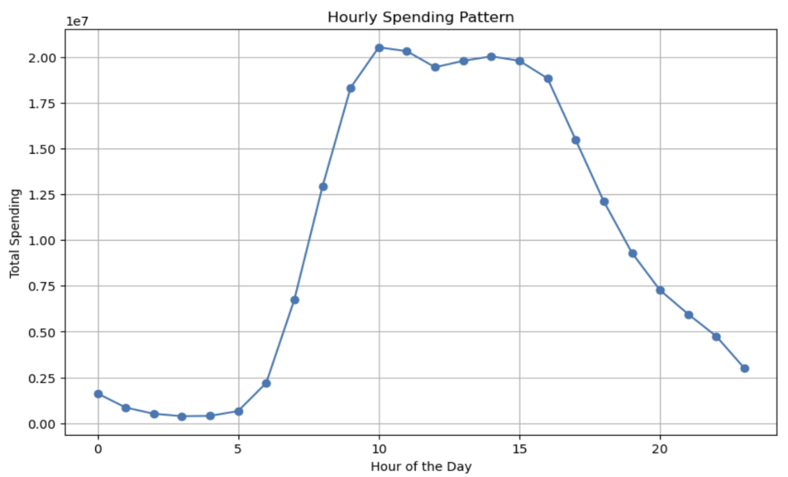

 |  |  | Customers tend to spend more during the active hours between around 10 am and 3 pm when purchases peak.
 |  |  | To make the most of this period, in addition to scheduling ads during quieter times, I recommend a strategic focus on advertising during these bustling hours.
 |  |  | Tailor your advertisements to align with the specific products and appeal to the age groups that are more active in their shopping during this timeframe. This approach can enhance visibility and potentially boost sales during the peak spending hours.

Instacart has a lot of products with different price tags. Marketing and sales want to use simpler price range groupings to help direct their efforts.

 |  |  |  |  | Price Range Groupings

 |  |  |  |  |  | In the sales landscape, mid-range goods take the lead, capturing the majority of purchases. It's the middle-income individuals and families who drive these sales. To maximize this trend, consider tailoring marketing campaigns specifically designed to resonate with the preferences and needs of this crucial demographic. This targeted approach has the potential to boost engagement and amplify overall marketing effectiveness.

 |  |  |  | Price Range & Family Profile Distribution

 |  |  |  |  |  |  | As anticipated, a discernible trend emerges within each product range, notably in the mid and high-tier categories. The majority of orders gravitate towards married individuals, both male and female, particularly those with children. Considering the nuanced dynamics of family profiles, varying income levels, and the specific products that yield optimal profit, it becomes evident that tailoring advertising strategies based on the age of the children is imperative. This thoughtful approach ensures that marketing efforts resonate effectively with the diverse preferences and needs of our target audience.

Are there certain types of products that are more popular than others? The marketing and sales teams want to know which departments have the highest frequency of product orders.

 |  |  |  | Departments Frequency

 |  |  |  |  |  |  | Undoubtedly, certain products exhibit higher popularity than others, with top-selling departments including Produce, Dairy & Eggs, Snacks, Frozen, Pantry, and more. To leverage this insight, a targeted advertising strategy could focus on highlighting featured products from these high-frequency departments. Promotions, bundles, or exclusive offers on items within these popular categories may capture even more attention and drive increased sales, creating a win-win for both customers and the business.

The marketing and sales teams are particularly interested in the different types of customers in their system and how their ordering behaviors differ.

 | User Distribution - Brand Loyalty |  |  |  |  | Ordering Habits Based on Customer’s Loyalty Status

The distribution among users highlights a strong trend in brand loyalty, with the majority being regular customers, followed by loyal customers, and new customers constituting the smallest segment.
Recognizing the significance of retaining our loyal customer base, a targeted marketing strategy could involve personalized promotions, exclusive offers, or loyalty programs tailored to reward and engage both regular and loyal customers.
By strengthening connections with these segments, we can foster sustained loyalty and enhance overall customer satisfaction.

 |  |  |  | Ordering Habits Based On a Customer’s Region

 |  | Connection between age and family status in terms of ordering habits

 |  |  |  |  |  | We observe a meaningful correlation between age, family status, and ordering habits, as these two demographic groups consistently form the majority of our buyers. Leveraging this insight, a strategic business move could involve tailoring marketing campaigns to specifically resonate with the preferences and needs of these key segments. Personalized promotions, family-oriented bundles, or age-targeted offers could potentially enhance customer engagement and contribute to sustained business growth

 |  | Exploring whether there is a connection between age and spending power (income)

 |  |  |  |  |  | In our exploration, a noteworthy correlation emerges between age and spending power, with a particularly significant increase observed after the age of 40. This positive connection suggests that as individuals progress in age, there is a corresponding boost in their spending capacity. Recognizing this trend could inform targeted marketing strategies and product offerings tailored to the evolving preferences and financial capacities of different age groups.

